Bug Status
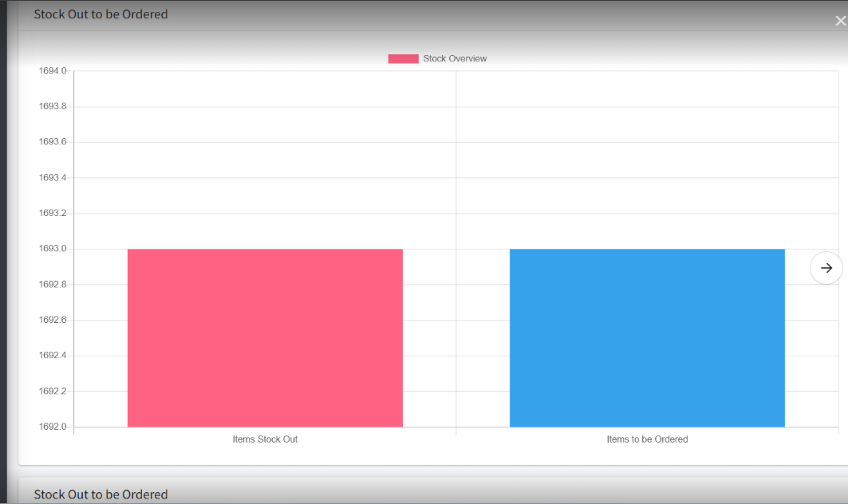
S.No | Title | Status | Comments
1 | Mismatch menu icon display for Thought for the day | Re-open | Mentioned issue still exists for the same mentioned steps
2 | Required error message not getting display while click submit button | Re-open | Mentioned issue still exists for the same mentioned steps
3 | Required error message not getting display while skip the field | Re-open | Mentioned issue still exists for the same mentioned steps
4 | Red Colour highlight indication not getting clear while give the value in same field | Re-open | Mentioned issue still exists for the same mentioned steps
5 | Delete message display mismatch content | Re-open | Mentioned issue still exists for the same mentioned steps
6 | Updated success message display without updates any value | Re-open | "No changes" message not display
7 | Given URL not getting clear while unlink the URL | Re-open | Mentioned issue still exists for the same mentioned steps
8 | Record saves with only space value | Re-open | Mentioned issue still exists for the same mentioned steps
9 | System allow to create the duplicate records | Clarification with Indira
10 | Sort icon not display properly | Clarification with Indira
11 | Date Of Presentation field not allow to perform copy & paste | Clarification with Indira
12 | Success message display mismatch content | Clarification with Indira
13 | Update message display mismatch content | Clarification with Indira
14 | Screen header/title name not display | Close | Working fine as per expected result
15 | Dot value not getting display for S.No. | Close | Working fine as per expected result
16 | Page Count dropdown not available in Thought for the day | Close | Working fine as per expected result
17 | Column header name not display in the middle of the column | Close | Working fine as per expected result
18 | Too many space display between Add new button and list grid column | Close | Working fine as per expected result
19 | Placeholder or inner text not display in Search filter | Close | Working fine as per expected result
20 | No data available message not display in dashboard | Close | Working fine as per expected result
21 | Title field allow more than 50 characters | Close | Working fine as per expected result
22 | Description field allow more than 100 characters | Close | Working fine as per expected result
23 | Title field allow special characters | Close | Working fine as per expected result
24 | Thought for the day column display improper alignment while give maximum value in Description field | Close | Working fine as per expected result
25 | Placeholder or inner text not display in Add Thought For The Day pop up | Close | Working fine as per expected result
26 | Description field display resized alignment, while click the add new button | Close | Working fine as per expected result
27 | Mismatch title display in delete pop up | Close | Working fine as per expected result
28 | Unwanted content display while click delete icon | Close | Working fine as per expected result
29 | Existing value display while click add new button | Close | Working fine as per expected result
30 | Given value not getting clear while reopen the record without save the record when 1 st time open the record | Close | Working fine as per expected result
31 | Unable to create or update any record, while close the Insert Link/Image/video pop up | Close | Working fine as per expected result
32 | Mismatch tool tip display for screen view mode | Close | Working fine as per expected result
33 | New URL not getting load same page when uncheck the open in new window | Close | Working fine as per expected result
34 | System not display any error message while give less than current date | Close | Working fine as per expected result
35 | Callender pop up getting close while click the clear button | Close | Working fine as per expected result
36 | UI getting collapse while click code view icon | Close | Working fine as per expected result
37 | Red Colour highlight indication not getting clear while click add new button | Close | Working fine as per expected result
38 | Mismatch content display for the Delete confirmation pop up | Close | Working fine as per expected result
39 | Pop up title display as normal label name, it’s not look like title name | Close | Working fine as per expected result
40 | Unwanted icon displays in description field | Close | Working fine as per expected result
41 | Created new record not display in list grid | Close | Working fine as per expected result
42 | Created success message display but the created record not display in the list grid | Close | Working fine as per expected result
43 | Link/Image/video pop up getting close without click close icon | Close | Working fine as per expected result
44 | Tool tip not display for Close icon | Close | Working fine as per expected result
45 | Red Colour highlight indication display clear while click edit icon | Close | Working fine as per expected result

S.No | Title | Status | Status
1 | Mismatch menu icon display for Thought for the day | Re-open | Close
2 | Required error message not getting display while click submit button | Re-open | Close
3 | Required error message not getting display while skip the field | Re-open | Reopen
4 | Red Colour highlight indication not getting clear while give the value in same field | Re-open | Reopen
5 | Delete message display mismatch content | Re-open | Working fine
6 | Updated success message display without updates any value | Re-open | Comments
7 | Given URL not getting clear while unlink the URL | Re-open | Comments
8 | Record saves with only space value | Re-open | Working fine
9 | System allow to create the duplicate records | Clarification with Indira | Clarification with Karthik
10 | Sort icon not display properly | Clarification with Indira | Defered
11 | Date Of Presentation field not allow to perform copy & paste | Clarification with Indira | Reopen
12 | Success message display mismatch content | Clarification with Indira | Working fine
13 | Update message display mismatch content | Clarification with Indira | Working fine
14 | Newly created record not display in list grid

Sheet1
